Definitions and Guidance
Grant Activities Outline
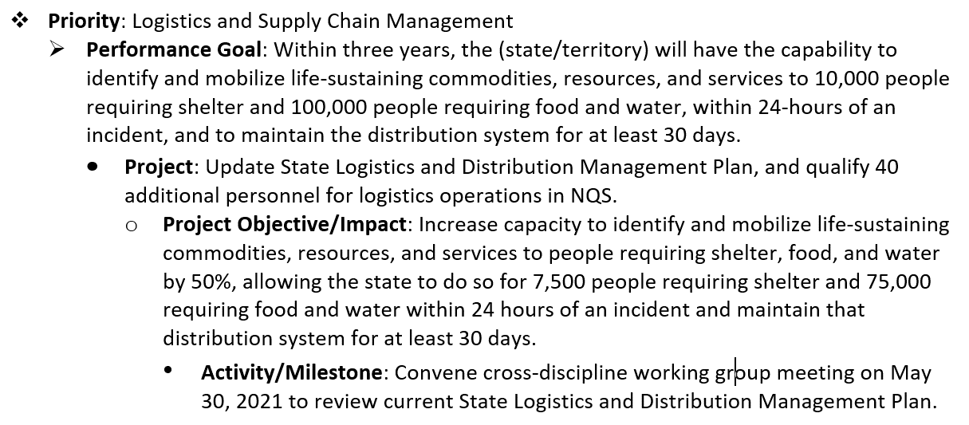 Purpose: The Grant Activities Outline is used to capture the proposed EMPG-funded projects and link them to the identified priorities, performance goals, and gaps or needs. Coupled with the Project Activities Outline, the Grant Activities Outline supports identification and tracking of EMPG-funded project outcomes, which will enable better understanding of the impacts of those investments relative to the performance goals and the associated core capabilities. The worksheet includes sections that allow the applicant to identify the performance goals that are supported by each project and the milestones that are critical to accomplishing each goal. Additional guidance on performance goals and milestones, including specific examples of each, are provided below. The worksheet also requires the applicant to explain the objective and anticipated impact of each project relative to the associated priorities, goals, and related core capabilities. The "Project Objective" should explain what the project will accomplish; specifically, how the project will address the identified gap or need and how it supports one or more of the identified Performance Goals. The "Anticipated Project Impact" should explain the expected project outcome relative to the associated priorities and performance goals. The impact statement should include a quantitative estimate of the degree to which the project will contribute to achieving the identified performance goal (see hierarchy example below). Effective completion of the Grant Activities Outline requires an understanding of the established planning hierarchy. Priorities are at the top of the hierarchy, followed by performance goals that define a clear outcome or end-state and provide the basis for addressing each priority. Based on the identified performance goals, project proposals are identified. High-priority capability gaps or needs identified through the THIRA/SPR process and other assessments are also used to inform project selection an

Performance Goals
Term | Definition/Guidance
Performance Goal | From 2 C.F.R.: Performance goal means a target level of performance expressed as a tangible, measurable objective, against which actual achievement can be compared, including a goal expressed as a quantitative standard, value, or rate. In some instances (e.g., discretionary research awards), this may be limited to the requirement to submit technical performance reports (to be evaluated in accordance with agency policy). Each goal must be: specific; measurable; achievable within the period of performance; relevant to the priority area; and have a target date for completion (i.e. SMART goals). Each goal must include an estimate quantifying the extent to which the supporting investments will close capability gaps. The standardized targets included in the Core Capability Development Sheets should be used for developing performance goals, as these standardized targets meet all of the SMART goal requirements. The standardized targets also serve as the basis for setting preparedness goals, identifying capability gaps and approaches for closing those gaps, and tracking efforts to build and sustain capability gaps each year in the state/territory's THIRA/SPR. By using the same goals as those identified in the THIRA/SPR, this enables better understanding and tracking of how EMPG-funded investments contribute to building and sustaining capabilities each year, thus yielding a better understanding of investment outcomes and impacts.
Core Capability Metrics | Current capability levels associated with the capabilities identified in the performance goals; they provide the baseline for measuring project effectiveness.
Milestones | Milestones will identify key project activities and other deliverables or outputs that are critical to accomplishing the identified performance goal and can be tracked to demonstrate progress toward achieving the goal.
Core Capability Development Sheets
Examples
Performance Goal |  | Core Capability Metrics |  | Milestones
Increase the number of people who can find and secure long-term housing within 1 year of an incident by 10%. |  | Sheltering for 6,000 people |  | *Update State Housing Strategy Template by June 30, 2021 *Conduct two Housing tabletop exercises; one by Sept 30, 2021, the other by Sept 30, 2022 *Prepare AAR and update State Disaster Housing Plan within 60 days of exercise completion based on lessons-learned identified in the AAR
Within 24 hours of an incident, identify and mobilize life-sustaining commodities, resources, and services to 10,000 people requiring shelter and 100,000 people requiring food and water. Maintain distribution system for at least 30 days. |  | Food & water for 60,000 people |  | *Conduct tabletop exercise focusing on Logistics and Supply Chain Management by June 30, 2021 *Prepare AAR and update Distribution Management Plan within 60 days of exercise completion based on lessons-learned identified in the AAR *Procure inventory management system by Sept 30, 2021

Project Activities Outline
Purpose: This worksheet is used to capture key project activities to include BOTH the EMPG-funded activities that are critical to accomplishing the project objectives as identified in the Grant Activities Outline, as well as activities that are essential to effective project management. Thus, this product can be used as a basic project management tool -- to plan and track the progress of key project activities. Key project activities should generally correlate with the "Milestones" identified for each project included in the Grant Activities Outline. The basic details for each project included in the Grant Activities Outline will auto-populate into the corresponding tables/fields included in the Project Activities Outline. This includes: the Project Number; Project Name; Gap or Need Addressed; Project Objective; and Build or Sustain fields. A separate "Planned Activities" table should be completed for each project. Instructions: In the planned activity table, identify each key activity and its associated information in the appropriate line based on year and quarter. The Activity Steps identified below should be used to help identify and guide the project management-related activities associated with each project.
Activity Steps
Step | Description |  | Process
Initiate | The authorization to begin work or resume work on any particular activity. |  | Involves preparing for, assembling resources, and getting work started. May apply to any level, e.g., program, project, phase, activity, task.
Plan | The purposes of establishing, at an early date, the parameters of the project that is going to be worked on as well as to try to delineate any specific and/or any peculiarities to the project as a whole and/or any specific phases of the project. |  | Involves working out and extending the theoretical, practical, and/or useful application of an idea, concept, or preliminary design. This also involves a plan for moving a project concept to a viable project.
Execute | The period within the project lifecycle during which the actual work of creating the project's deliverables is carried out. |  | Involves directing, accomplishing, managing, and completing all phases and aspects of work for a given project.
Control | A mechanism which reacts to the current project status in order to ensure accomplishment of project objectives. This involves planning, measuring, monitoring, and taking corrective action based on the results of the monitoring. |  | Involves exercising corrective action as necessary to yield a required outcome consequent upon monitoring performance. Or, the process of comparing actual performance with planned performance, analyzing variances, evaluating possible alternatives, and taking appropriate corrective action as needed.
Close Out | The completion of all work on a project. Can also refer to completion of a phase of the project. |  | Involves formally terminating and concluding all tasks, activities, and component parts of a particular project, or phase of a project.

